State prices from short rate la
Short rate lattice |  |  | kan nemt forkortes eller forlænges
info
r_0= | 0.06
u= (up value) | 1.2
d= (down value) | 0.9
q=(sandsynlighed) | 0.5 | (skal ikke bruges her)
t= | 0 | 1 | 2 | 3 | 4 | 5 | 6 | 7 | 8 | 9
 |  |  |  |  |  |  |  |  |  | 0.30958682112
 |  |  |  |  |  |  |  |  | 0.2579890176 | 0.23219011584
 |  |  |  |  |  |  |  | 0.214990848 | 0.1934917632 | 0.17414258688
 |  |  |  |  |  |  | 0.17915904 | 0.161243136 | 0.1451188224 | 0.13060694016
 |  |  |  |  |  | 0.1492992 | 0.13436928 | 0.120932352 | 0.1088391168 | 0.09795520512
 |  |  |  |  | 0.124416 | 0.1119744 | 0.10077696 | 0.090699264 | 0.0816293376 | 0.07346640384
 |  |  |  | 0.10368 | 0.093312 | 0.0839808 | 0.07558272 | 0.068024448 | 0.0612220032 | 0.05509980288
 |  |  | 0.0864 | 0.07776 | 0.069984 | 0.0629856 | 0.05668704 | 0.051018336 | 0.0459165024 | 0.04132485216
 |  | 0.072 | 0.0648 | 0.05832 | 0.052488 | 0.0472392 | 0.04251528 | 0.038263752 | 0.0344373768 | 0.03099363912
 | 0.06 | 0.054 | 0.0486 | 0.04374 | 0.039366 | 0.0354294 | 0.03188646 | 0.028697814 | 0.0258280326 | 0.02324522934

Også med spot rate curve nederst!!!!
tilhørende state prices til short rate lattice |  |  | kan let gøres længere eller kortere, husk hvis længere anderledes form for øverste og nederste
q=(sandsynlighed) | 0.5
start | 1
State prices
t= | 0 | 1 | 2 | 3 | 4 | 5 | 6 | 7 | 8 | 9 | 10
 |  |  |  |  |  |  |  |  |  |  | 0.0002
 |  |  |  |  |  |  |  |  |  | 0.0006 | 0.0029
 |  |  |  |  |  |  |  |  | 0.0015 | 0.0065 | 0.0152
 |  |  |  |  |  |  |  | 0.0038 | 0.0140 | 0.0296 | 0.0467
 |  |  |  |  |  |  | 0.0089 | 0.0289 | 0.0543 | 0.0771 | 0.0920
 |  |  |  |  |  | 0.0204 | 0.0570 | 0.0938 | 0.1185 | 0.1272 | 0.1221
 |  |  |  |  | 0.0459 | 0.1071 | 0.1512 | 0.1672 | 0.1596 | 0.1379 | 0.1109
 |  |  |  | 0.1013 | 0.1895 | 0.2234 | 0.2120 | 0.1771 | 0.1360 | 0.0984 | 0.0681
 |  |  | 0.2200 | 0.3096 | 0.2925 | 0.2317 | 0.1661 | 0.1117 | 0.0718 | 0.0447 | 0.0272
 |  | 0.4717 | 0.4438 | 0.3151 | 0.2000 | 0.1196 | 0.0690 | 0.0388 | 0.0215 | 0.0118 | 0.0064
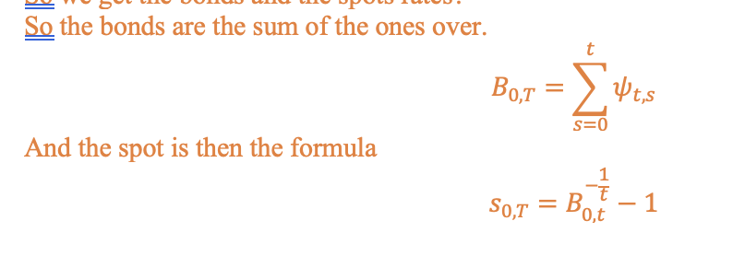
 | 1.0000 | 0.4717 | 0.2238 | 0.1067 | 0.0511 | 0.0246 | 0.0119 | 0.0058 | 0.0028 | 0.0014 | 0.0007
tid | 0 | 1 | 2 | 3 | 4 | 5 | 6 | 7 | 8 | 9 | 10
Bonds | 1.0000 | 0.9434 | 0.8875 | 0.8327 | 0.7790 | 0.7267 | 0.6760 | 0.6271 | 0.5801 | 0.5351 | 0.4924
spot: | 0.06 | 0.06 | 0.061460893579 | 0.062939061427 | 0.064430791167 | 0.065931994044 | 0.067438247386 | 0.068944852891 | 0.070446909637 | 0.071939399424 | 0.073417280764

Giver spot rate curve:

